Hierarchy
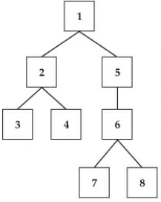
NodeKey | NodeName | ParentKey
1 | Number01
2 | Number02 | 1
3 | Number03 | 2
4 | Number04 | 2
5 | Number05 | 1
6 | Number06 | 5
7 | Number07 | 6
8 | Number08 | 6

Hierarchy Multiple Parents
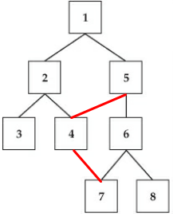
NodeKey | NodeName | ParentKey
1 | Number01
2 | Number02 | 1
3 | Number03 | 2
4 | Number04 | 2
4 | Number04 | 5
5 | Number05 | 1
6 | Number06 | 5
7 | Number07 | 6
7 | Number07 | 4
8 | Number08 | 6

Hierarchy Infinite Loop
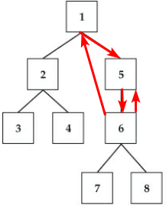
NodeKey | NodeName | ParentKey
1 | Number01
1 | Number01 | 6
2 | Number02 | 1
3 | Number03 | 2
4 | Number04 | 2
5 | Number05 | 1
5 | Number05 | 6
6 | Number06 | 5
7 | Number07 | 6
8 | Number08 | 6

